Sheet1
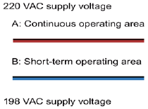 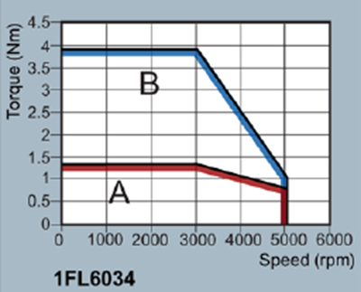
 | PM AC Servo motor -- DC generator test setup Machine Parameters

 | PMAC Servo Motor |  | Brushed DC Motor

Parameter |  | Parameter
Rated Power | 400W | Rated Power | 1/4 Hp - ~400W
Rated Voltage | 105V | Rated Voltage | 220 V
Rated Speed | 3000 - max 5000 rpm | Rated Speed | 5000 rpm
Connection type Delta or Wye - Pole number | Delta - 8 pole | Armature Resistance (Ra) | 6.3 Ohm
Series resistance (Rs) | 2.1 Ohm | Armatur Inductance (La) | 245 mH
Series Inductance (Ls) |  | Field Resistance (Rf) | 10.5 Ohm
D axis inductance (Ld) |  | Field Inductance (Lf) | 125.6 mH
Q axis inductance (Lq) |  | Field Armature Mutual Inductance (Laf)
Mutual inductance (M) | 8 mH | Total Inertia (J)
Viscous Firiction Coefficient (Bm) |  | Viscous Firiction Coefficient (Bm)
Back Emf Constant |  | Back Emf Constant
PM Flux Linkage
Rated - max torque | 1.27 - 3.82 Nm
Rated - max current | 2.6 - 7.8 A
Moment of inertia (10^-4 kgm^2) | 0.351 - 0.381 w/brake
Rated frequency | 200 Hz
Torque Constant | 0.49 Nm/A

